Cover
Annex: Synthesis Report on Understanding Perfluoropolyethers (PFPEs) and Their Life Cycle

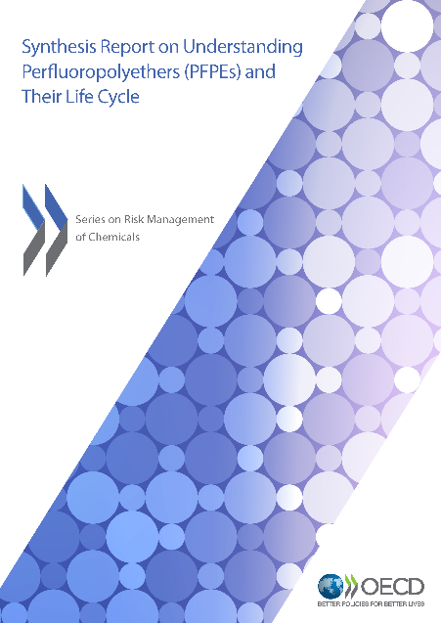
 | Cover page | This document is an Annex to the report published by the OECD on Synthesis Report on Understanding Perfluoropolyethers (PFPEs) and Their Life Cycle. The report provides a comprehensive overview on the chemical identities and life cycle of perfluoropolyethers (PFPEs) that have been on the global market, including a non-exhaustive list of 153 PFPEs. The Annex is composed of 3 spreadsheets covering the following: Table S1. Substances identities (where the assgined CASRNs are available, they are verified using SciFinder) Table S2. Structures available on SciFinder or other sources Table S3. Prod_Use information (containing information on production/import volumes and uses in 4 regulatory databases and other sources)

 |  | Link to the report: https://www.oecd.org/chemicalsafety/risk-management/synthesis-report-understanding-perfluoropolyethers-and-their-life-cycle.pdf

Table S2. Structures
CASRN | Structure | CAS Name | Structure Source
161075-00-9 | 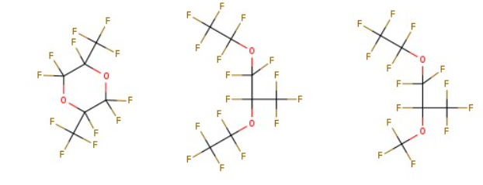 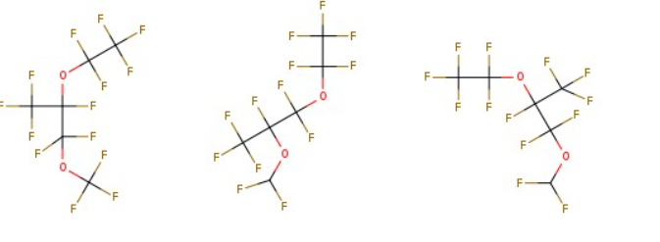 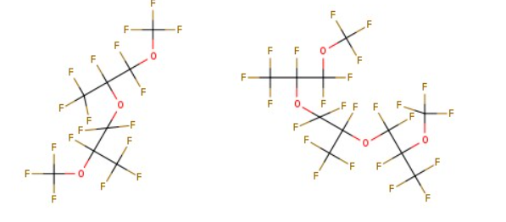 | 1-Propene, 1,1,2,3,3,3-hexafluoro-, oxidized, polymd., reduced, fluorinated | ECHA, https://echa.europa.eu/substance-information/-/substanceinfo/100.105.997
1033385-42-0 | 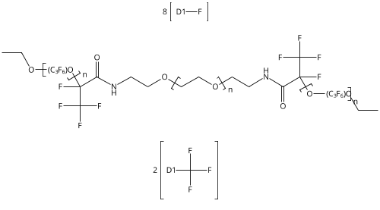 | Poly[oxy[trifluoro(trifluoromethyl)-1,2-ethanediyl]], α-[1,2,2,2-tetrafluoro-1-[[(2-hydroxyethyl)amino]carbonyl]ethyl]-ω-[tetrafluoro(trifluoromethyl)ethoxy]-, ether with α-hydro-ω-hydroxypoly(oxy-1,2-ethanediyl) (2:1) (ACI) | SciFinder
1198429-17-2 | 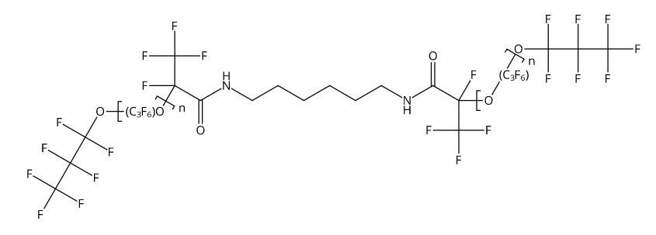 | Poly[oxy[trifluoro(trifluoromethyl)-1,2-ethanediyl]], α,α′-[1,6-hexanediylbis[imino[1-fluoro-2-oxo-1-(trifluoromethyl)-2,1-ethanediyl]]]bis[ω-(1,1,2,2,3,3,3-heptafluoropropoxy)- (ACI) | SciFinder
1207376-64-4 | 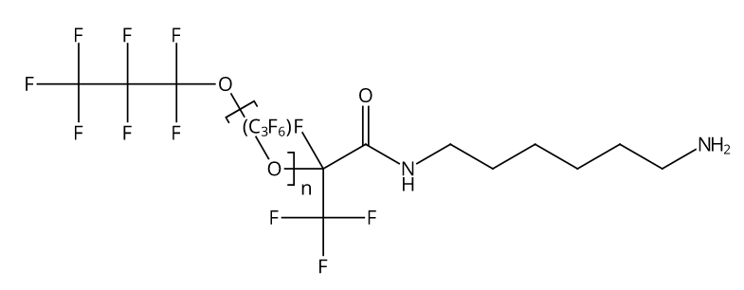 | Poly[oxy[trifluoro(trifluoromethyl)-1,2-ethanediyl]], α-[1-[[(6-aminohexyl)amino]carbonyl]-1,2,2,2-tetrafluoroethyl]-ω-(1,1,2,2,3,3,3-heptafluoropropoxy)- (ACI) | SciFinder
126066-30-6 | 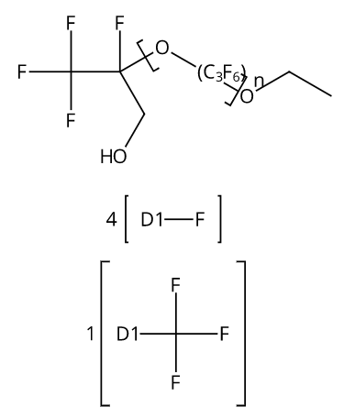 | Poly[oxy[trifluoro(trifluoromethyl)-1,2-ethanediyl]], α-[1,2,2,2-tetrafluoro-1-(hydroxymethyl)ethyl]-ω-[tetrafluoro(trifluoromethyl)ethoxy]- (9CI, ACI) | SciFinder
130030-19-2 |  | Poly[oxy(1,1,2,2-tetrafluoro-1,2-ethanediyl)], α-(1,1-difluoro-2-methoxy-2-oxoethyl)-ω-(1,1-difluoro-2-methoxy-2-oxoethoxy)- (9CI, ACI) | SciFinder
134035-61-3 | 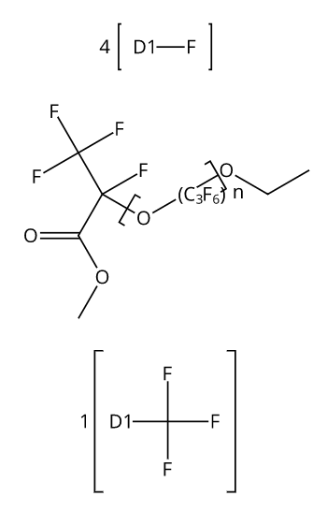 | Poly[oxy[trifluoro(trifluoromethyl)-1,2-ethanediyl]], α-[1,2,2,2-tetrafluoro-1-(methoxycarbonyl)ethyl]-ω-[tetrafluoro(trifluoromethyl)ethoxy]- (9CI, ACI) | SciFinder
1646599-55-4 | 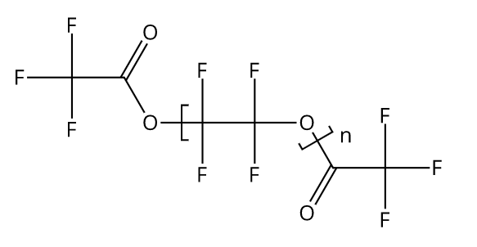 | Poly[oxy(1,1,2,2-tetrafluoro-1,2-ethanediyl)], α-(2,2,2-trifluoroacetyl)-ω-[(2,2,2-trifluoroacetyl)oxy]- (ACI) | SciFinder
202200-80-4 | 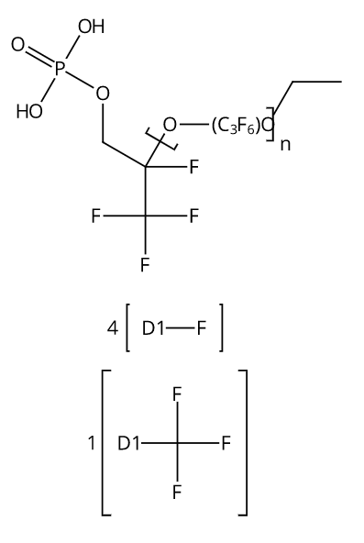 | Poly[oxy[trifluoro(trifluoromethyl)-1,2-ethanediyl]], α-[1,2,2,2-tetrafluoro-1-[(phosphonooxy)methyl]ethyl]-ω-[tetrafluoro(trifluoromethyl)ethoxy]- (9CI, ACI) | SciFinder
220864-25-5 | 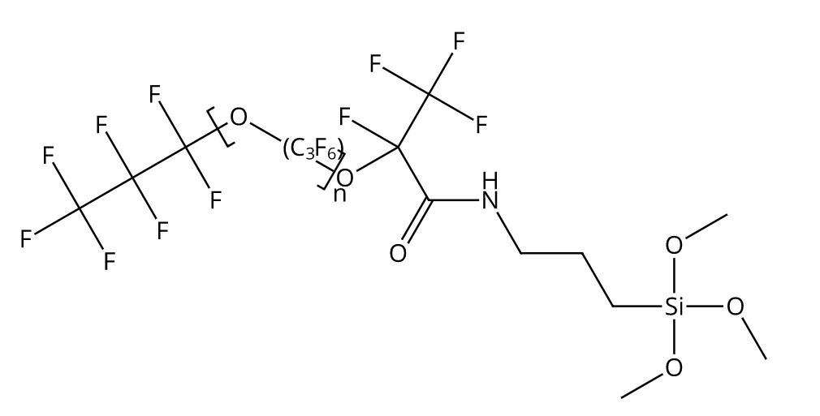 | Poly[oxy[trifluoro(trifluoromethyl)-1,2-ethanediyl]], α-(1,1,2,2,3,3,3-heptafluoropropyl)-ω-[1,2,2,2-tetrafluoro-1-[[[3-(trimethoxysilyl)propyl]amino]carbonyl]ethoxy]- (ACI) | SciFinder
220864-26-6 | 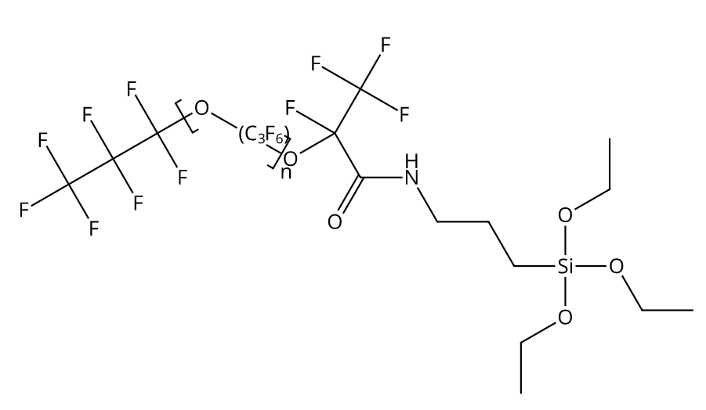 | Poly[oxy[trifluoro(trifluoromethyl)-1,2-ethanediyl]], α-(1,1,2,2,3,3,3-heptafluoropropyl)-ω-[1,2,2,2-tetrafluoro-1-[[[3-(triethoxysilyl)propyl]amino]carbonyl]ethoxy]- (ACI) | SciFinder
233676-28-3 |  | Poly[oxy(1,1,2,2-tetrafluoro-1,2-ethanediyl)], α-[1,1-difluoro-2-oxo-2-[[3-(trimethoxysilyl)propyl]amino]ethyl]-ω-(trifluoromethoxy)- (9CI, ACI) | SciFinder
264142-24-7 | 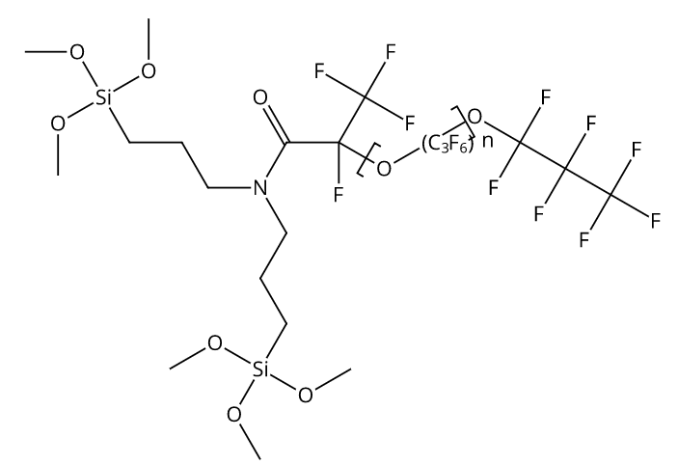 | Poly[oxy[trifluoro(trifluoromethyl)-1,2-ethanediyl]], α-[1-[[bis[3-(trimethoxysilyl)propyl]amino]carbonyl]-1,2,2,2-tetrafluoroethyl]-ω-(1,1,2,2,3,3,3-heptafluoropropoxy)- (ACI) | SciFinder
37382-64-2 | 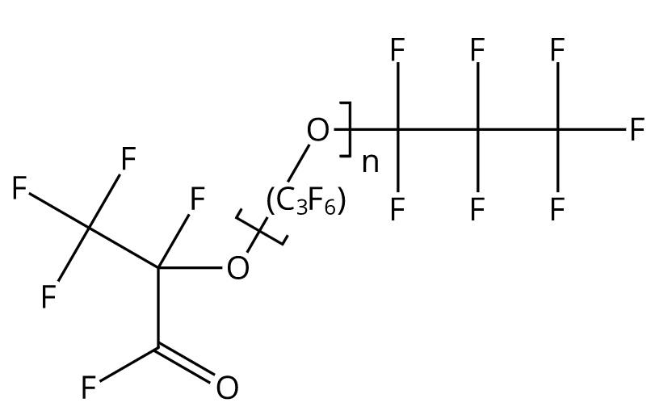 | Poly[oxy[trifluoro(trifluoromethyl)-1,2-ethanediyl]], α-(1,1,2,2,3,3,3-heptafluoropropyl)-ω-[1,2,2,2-tetrafluoro-1-(fluorocarbonyl)ethoxy]- (ACI) | SciFinder
51798-33-5 | 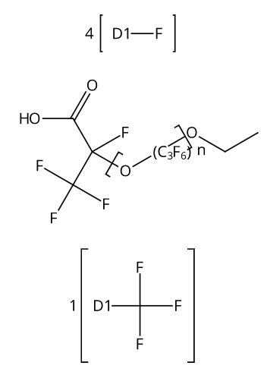 | Poly[oxy[trifluoro(trifluoromethyl)-1,2-ethanediyl]], α-(1-carboxy-1,2,2,2-tetrafluoroethyl)-ω-[tetrafluoro(trifluoromethyl)ethoxy]- (9CI, ACI) | SciFinder
60164-51-4 | 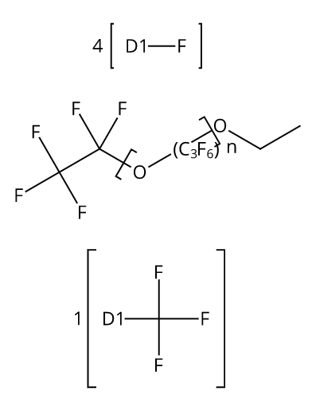 | Poly[oxy[trifluoro(trifluoromethyl)-1,2-ethanediyl]], α-(1,1,2,2,2-pentafluoroethyl)-ω-[tetrafluoro(trifluoromethyl)ethoxy]- (ACI) | SciFinder
75888-49-2 | 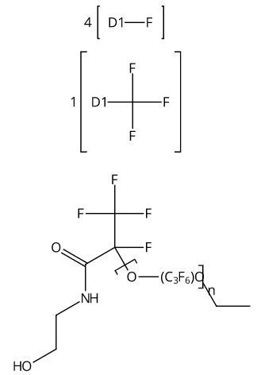 | Poly[oxy[trifluoro(trifluoromethyl)-1,2-ethanediyl]], α-[1,2,2,2-tetrafluoro-1-[[(2-hydroxyethyl)amino]carbonyl]ethyl]-ω-[tetrafluoro(trifluoromethyl)ethoxy]- (9CI, ACI) | SciFinder
769967-14-8 | 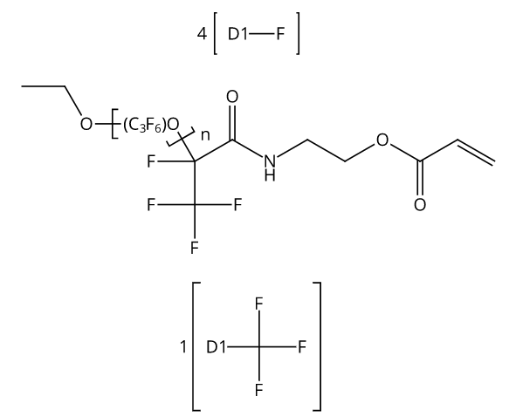 | Poly[oxy[trifluoro(trifluoromethyl)-1,2-ethanediyl]], α-[1,2,2,2-tetrafluoro-1-[[[2-[(1-oxo-2-propen-1-yl)oxy]ethyl]amino]carbonyl]ethyl]-ω-[tetrafluoro(trifluoromethyl)ethoxy]- (ACI) | SciFinder
83606-67-1 | 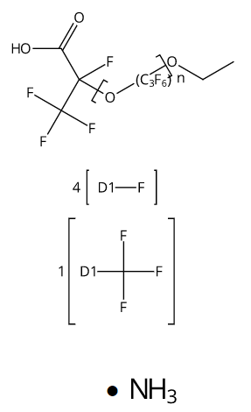 | Poly[oxy[trifluoro(trifluoromethyl)-1,2-ethanediyl]], α-(1-carboxy-1,2,2,2-tetrafluoroethyl)-ω-[tetrafluoro(trifluoromethyl)ethoxy]-, ammonium salt (1:1) (ACI) | SciFinder
851085-64-8 |  | Poly[oxy(1,1,2,2,3,3-hexafluoro-1,3-propanediyl)], α-(1,1,2,2,3,3,3-heptafluoropropyl)-ω-[1,1,2,2-tetrafluoro-3-(2-propen-1-yloxy)propoxy]- (ACI) | SciFinder
90317-75-2 | 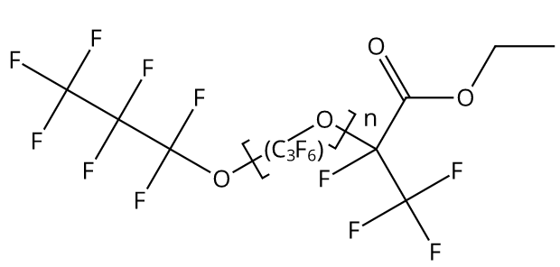 | Poly[oxy[trifluoro(trifluoromethyl)-1,2-ethanediyl]], α-[1-(ethoxycarbonyl)-1,2,2,2-tetrafluoroethyl]-ω-(1,1,2,2,3,3,3-heptafluoropropoxy)- (ACI) | SciFinder
105060-59-1 | 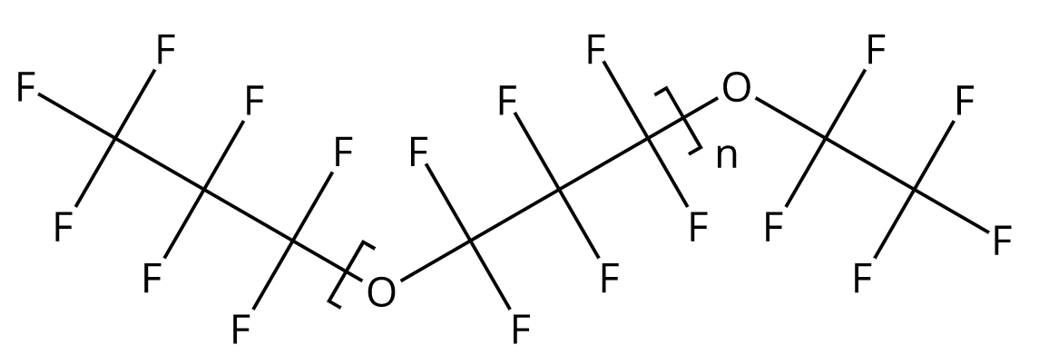 | Poly[oxy(1,1,2,2,3,3-hexafluoro-1,3-propanediyl)], α-(1,1,2,2,3,3,3-heptafluoropropyl)-ω-(1,1,2,2,2-pentafluoroethoxy)- (ACI) | SciFinder
52700-35-3 | 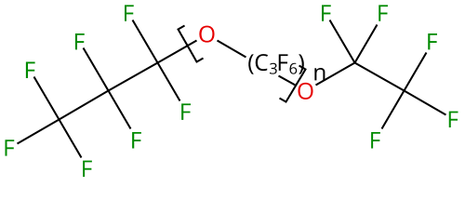 | Poly[oxy[trifluoro(trifluoromethyl)-1,2-ethanediyl]], α-(1,1,2,2,3,3,3-heptafluoropropyl)-ω-(1,1,2,2,2-pentafluoroethoxy)- (ACI) | SciFinder

