3.1
Figure 3.1. UK exports as a share of gross value added

 |  | 2005 | 2006 | 2007 | 2008 | 2009 | 2010 | 2011 | 2012 | 2013 | 2014 | 2015 | 2016 | 2017 | 2018 | 2019 | 2020
 | TVA | 1,290,493 | 1,364,872 | 1,435,601 | 1,481,235 | 1,450,431 | 1,492,203 | 1,533,256 | 1,581,693 | 1,643,593 | 1,718,072 | 1,769,526 | 1,836,475 | 1,903,448 | 1,971,444 | 2,045,095 | 1,965,003
 | EXGR_EU | 95,058 | 118,828 | 100,736 | 109,980 | 97,317 | 109,299 | 121,785 | 114,601 | 114,155 | 111,298 | 101,396 | 105,770 | 121,623 | 128,274 | 132,422 | 114,497
 | EXGR_NEU | 66,944 | 66,686 | 69,945 | 80,650 | 74,648 | 87,630 | 99,640 | 104,642 | 105,321 | 101,511 | 106,050 | 108,880 | 123,544 | 127,207 | 131,124 | 113,903
 | EXGR_SRV | 132,838 | 151,221 | 164,741 | 173,089 | 177,251 | 183,121 | 203,083 | 209,786 | 226,308 | 230,600 | 235,894 | 258,688 | 279,253 | 302,437 | 315,019 | 264,681

 | Share(%) | 2005 | 2006 | 2007 | 2008 | 2009 | 2010 | 2011 | 2012 | 2013 | 2014 | 2015 | 2016 | 2017 | 2018 | 2019 | 2020
 | Goods | 12.6% | 13.6% | 11.9% | 12.9% | 11.9% | 13.2% | 14.4% | 13.9% | 13.4% | 12.4% | 11.7% | 11.7% | 12.9% | 13.0% | 12.9% | 11.6%
 | Services | 10.3% | 11.1% | 11.5% | 11.7% | 12.2% | 12.3% | 13.2% | 13.3% | 13.8% | 13.4% | 13.3% | 14.1% | 14.7% | 15.3% | 15.4% | 13.5%

3.2
Figure 3.2. Comparison between granular TiVA and OECD TiVA, United Kingdom

Panel A - Foreign value-added share of UK gross exports |  |  | Panel B - Export intensity
Year | Granular TiVA | OECD TiVA | Year | Granular TiVA | OECD TiVA | PP TiVA
2005 | 0.181 | 0.151 | 2005 | 0.187 | 0.176 | 0.184
2006 | 0.189 | 0.161 | 2006 | 0.200 | 0.185 | 0.196
2007 | 0.181 | 0.158 | 2007 | 0.191 | 0.184 | 0.188
2008 | 0.195 | 0.176 | 2008 | 0.198 | 0.193 | 0.195
2009 | 0.183 | 0.163 | 2009 | 0.197 | 0.193 | 0.193
2010 | 0.192 | 0.178 | 2010 | 0.206 | 0.201 | 0.202
2011 | 0.205 | 0.194 | 2011 | 0.220 | 0.214 | 0.217
2012 | 0.204 | 0.193 | 2012 | 0.216 | 0.209 | 0.213
2013 | 0.194 | 0.184 | 2013 | 0.218 | 0.209 | 0.216
2014 | 0.185 | 0.168 | 2014 | 0.210 | 0.201 | 0.206
2015 | 0.175 | 0.157 | 2015 | 0.207 | 0.195 | 0.202
2016 | 0.178 | 0.157 | 2016 | 0.212 | 0.199 | 0.207
2017 | 0.191 | 0.169 | 2017 | 0.223 | 0.210 | 0.218
2018 | 0.192 | 0.176 | 2018 | 0.229 | 0.215 | 0.224
2019 | 0.187 |  | 2019 | 0.230
2020 | 0.164 |  | 2020 | 0.210

Panel A - Foreign value-added share of UK gross exports |  |  | Panel B - Export intensity

3.3
Figure 3.3. . Export intensity in the eight largest manufacturing industries using the granular approach

name | 2005 | 2018
Motor vehicles | 1.456 | 1.380
Mining and quarrying | 0.578 | 1.206
Other transport | 0.779 | 1.098
fishing | 0.465 | 0.984
Air transport | 0.716 | 0.812
Chemicals | 0.864 | 0.772
Machinery and equipment | 0.613 | 0.719
Water transport | 1.193 | 0.673
Rubber and plastic | 0.388 | 0.629
Basic pharmaceuticals | 0.427 | 0.542
Mining support service activities | 0.266 | 0.542
Finance and insurance | 0.390 | 0.525
Petroleum | 1.007 | 0.500
Textiles | 0.519 | 0.480
Food | 0.287 | 0.422
Publishing activities | 0.352 | 0.407
Computers and electronics | 0.701 | 0.394
Professional activities | 0.253 | 0.394
Electrical equipment | 0.494 | 0.382
Basic metals | 0.820 | 0.332
Repair and installation of machinery | 0.311 | 0.318
Computer and information services | 0.222 | 0.312
Administrative services | 0.228 | 0.304
Fabricated metals | 0.261 | 0.275
Non-metallic minerals | 0.212 | 0.245
Wholesale and retail trade | 0.230 | 0.243
Telecommunications | 0.108 | 0.209
Arts, entertainment and recreation | 0.120 | 0.196
Accommodation and food services | 0.159 | 0.195
Water supply | 0.108 | 0.185
Paper | 0.154 | 0.179
Agriculture, forestry | 0.145 | 0.149
Warehouseing and support | 0.139 | 0.138
Wood | 0.125 | 0.133
Postal | 0.049 | 0.118
Education | 0.051 | 0.097
Land transport | 0.068 | 0.068
Other service activities | 0.028 | 0.035
Construction | 0.011 | 0.025
Public administration | 0.021 | 0.021
Electricity | 0.013 | 0.014
Human health and social work | 0.003 | 0.006
Real estate | 0.003 | 0.006
Activities of households | 0.003 | 0.004

3.4
Figure 3.4. Contributions of domestic and foreign value added to UK exports, by industry, 2018

 |  | Contribution of Domestic Value-Added | Contribution of Foreign Value-Added |  |  | Contribution of Domestic Value-Added | Contribution of Foreign Value-Added
Motor vehicles | Granular TiVA | 0.04 | 0.03 | Finance and insurance | Granular TiVA | 0.13 | 0.02
 | OECD TiVA | 0.04 | 0.02 |  | OECD TiVA | 0.13 | 0.02
Other transport | Granular TiVA | 0.02 | 0.01 | Professional activities | Granular TiVA | 0.10 | 0.01
 | OECD TiVA | 0.03 | 0.01 |  | OECD TiVA | 0.11 | 0.01
Machinery and equipment | Granular TiVA | 0.02 | 0.01 | Wholesale and retail trade | Granular TiVA | 0.09 | 0.01
 | OECD TiVA | 0.02 | 0.01 |  | OECD TiVA | 0.08 | 0.01
Food | Granular TiVA | 0.02 | 0.00 | Administrative services | Granular TiVA | 0.06 | 0.01
 | OECD TiVA | 0.02 | 0.01 |  | OECD TiVA | 0.06 | 0.01
Chemicals | Granular TiVA | 0.02 | 0.01 | Computer and information services | Granular TiVA | 0.03 | 0.00
 | OECD TiVA | 0.02 | 0.01 |  | OECD TiVA | 0.03 | 0.00
Petroleum | Granular TiVA | 0.00 | 0.01 | Publishing activities | Granular TiVA | 0.02 | 0.00
 | OECD TiVA | 0.01 | 0.02 |  | OECD TiVA | 0.03 | 0.01
Basic pharmaceuticals | Granular TiVA | 0.01 | 0.00 | Accommodation and food services | Granular TiVA | 0.02 | 0.00
 | OECD TiVA | 0.01 | 0.00 |  | OECD TiVA | 0.02 | 0.00
Rubber and plastic | Granular TiVA | 0.01 | 0.01 | Education | Granular TiVA | 0.02 | 0.00
 | OECD TiVA | 0.01 | 0.00 |  | OECD TiVA | 0.02 | 0.00
Other manufacturing | Granular TiVA | 0.05 | 0.02 | Other services | Granular TiVA | 0.07 | 0.02
 | OECD TiVA | 0.06 | 0.01 |  | OECD TiVA | 0.09 | 0.02

3.5
Figure 3.5. Comparison among OECD TiVA, OECD TiVA adjusted for re-export and consumer approach, United Kingdom

Panel A - Foreign value-added share of UK gross exports |  |  |  |  | Panel B - Export intensity
Year | Granular TiVA | OECD TiVA | PP TiVA | OECD TiVA Adjusted | Year | OECD TiVA Adjusted | OECD TiVA | PP TiVA
2005 | 0.181 | 0.151 | 0.284 | 0.219 | 2005 | 0.189 | 0.176 | 0.184
2006 | 0.189 | 0.161 | 0.296 | 0.231 | 2006 | 0.198 | 0.185 | 0.196
2007 | 0.181 | 0.158 | 0.275 | 0.213 | 2007 | 0.193 | 0.184 | 0.188
2008 | 0.195 | 0.176 | 0.294 | 0.238 | 2008 | 0.201 | 0.193 | 0.195
2009 | 0.183 | 0.163 | 0.281 | 0.235 | 2009 | 0.199 | 0.193 | 0.193
2010 | 0.192 | 0.178 | 0.299 | 0.256 | 2010 | 0.207 | 0.201 | 0.202
2011 | 0.205 | 0.194 | 0.310 | 0.268 | 2011 | 0.221 | 0.214 | 0.217
2012 | 0.204 | 0.193 | 0.309 | 0.268 | 2012 | 0.213 | 0.209 | 0.213
2013 | 0.194 | 0.184 | 0.296 | 0.258 | 2013 | 0.213 | 0.209 | 0.216
2014 | 0.185 | 0.168 | 0.289 | 0.243 | 2014 | 0.205 | 0.201 | 0.206
2015 | 0.175 | 0.157 | 0.279 | 0.236 | 2015 | 0.201 | 0.195 | 0.202
2016 | 0.178 | 0.157 | 0.288 | 0.252 | 2016 | 0.203 | 0.199 | 0.207
2017 | 0.191 | 0.169 | 0.297 | 0.266 | 2017 | 0.213 | 0.210 | 0.218
2018 | 0.192 | 0.176 | 0.296 | 0.267 | 2018 | 0.219 | 0.215 | 0.224

Panel A - Foreign value-added share of UK gross exports |  |  |  |  | Panel B - Export intensity

3.6
Figure 3.6. Contributions of domestic and foreign value added to UK exports, by industry, 2018

Panel A – OECD TiVA Adjusted and consumer approaches |  |  |  | Panel B – Several measures, Breakdown of ‘Other manufacturing’

 |  | Contribution of Domestic Value-Added | Contribution of Foreign Value-Added |  |  | Contribution of Domestic Value-Added | Contribution of Foreign Value-Added
Motor vehicles | OECD TiVA Adjusted | 0.03 | 0.03 | Repair and installation of machinery | Granular TiVA | 0.010 | 0.003
 | PP TiVA | 0.04 | 0.03 |  | OECD TiVA | 0.014 | 0.003
Repair and installation of machinery | OECD TiVA Adjusted | 0.0120 | 0.0245 |  | OECD TiVA Adjusted | 0.0120 | 0.0245
 | PP TiVA | 0.0145 | 0.0068 |  | PP TiVA | 0.0145 | 0.0068
Machinery and equipment | OECD TiVA Adjusted | 0.02 | 0.02 | Computers and electronics | Granular TiVA | 0.010 | 0.002
 | PP TiVA | 0.03 | 0.02 |  | OECD TiVA | 0.011 | 0.002
Other transport | OECD TiVA Adjusted | 0.02 | 0.01 |  | OECD TiVA Adjusted | 0.009 | 0.002
 | PP TiVA | 0.02 | 0.03 |  | PP TiVA | 0.018 | 0.024
Basic pharmaceuticals | OECD TiVA Adjusted | 0.01 | 0.02 | Fabricated metals | Granular TiVA | 0.008 | 0.003
 | PP TiVA | 0.02 | 0.02 |  | OECD TiVA | 0.009 | 0.002
Food | OECD TiVA Adjusted | 0.02 | 0.01 |  | OECD TiVA Adjusted | 0.008 | 0.014
 | PP TiVA | 0.03 | 0.01 |  | PP TiVA | 0.008 | 0.003
Rubber and plastic | OECD TiVA Adjusted | 0.01 | 0.02 | Textiles | Granular TiVA | 0.006 | 0.001
 | PP TiVA | 0.01 | 0.01 |  | OECD TiVA | 0.006 | 0.001
Chemicals | OECD TiVA Adjusted | 0.02 | 0.01 |  | OECD TiVA Adjusted | 0.005 | 0.002
 | PP TiVA | 0.02 | 0.02 |  | PP TiVA | 0.014 | 0.012
Other manufacturing | OECD TiVA Adjusted | 0.04 | 0.07 | Electrical equipment | Granular TiVA | 0.003 | 0.001
 | PP TiVA | 0.07 | 0.08 |  | OECD TiVA | 0.005 | 0.002
 |  |  |  |  | OECD TiVA Adjusted | 0.004 | 0.019
 |  |  |  |  | PP TiVA | 0.007 | 0.012
 |  |  |  | Paper | Granular TiVA | 0.003 | 0.001
 |  |  |  |  | OECD TiVA | 0.003 | 0.001
 |  |  |  |  | OECD TiVA Adjusted | 0.003 | 0.001
 |  |  |  |  | PP TiVA | 0.003 | 0.001
 |  |  |  | Basic metals | Granular TiVA | 0.002 | 0.002
 |  |  |  |  | OECD TiVA | 0.008 | 0.002
 |  |  |  |  | OECD TiVA Adjusted | 0.007 | 0.002
 |  |  |  |  | PP TiVA | 0.008 | 0.017
 |  |  |  | Non-metallic minerals | Granular TiVA | 0.003 | 0.001
 |  |  |  |  | OECD TiVA | 0.003 | 0.001
 |  |  |  |  | OECD TiVA Adjusted | 0.002 | 0.001
 |  |  |  |  | PP TiVA | 0.003 | 0.001
 |  |  |  | Wood | Granular TiVA | 0.001 | 0.000
 |  |  |  |  | OECD TiVA | 0.001 | 0.000
 |  |  |  |  | OECD TiVA Adjusted | 0.001 | 0.008
 |  |  |  |  | PP TiVA | 0.001 | 0.000

Panel A – OECD TiVA Adjusted and consumer approaches |  |  |  | Panel B – Several measures, Breakdown of ‘Other manufacturing’

3.7
Figure 3.7. Elements of a skyline chart

 | Industry
B*Yd | 1
B*E | 0.72609560274
B*M | -0.532
skyline | 1.1940956027

 | self-sufficient ratio | Imports
skyline | 1.1940956027 | 0.532

3.8
Figure 3.8.Self-sufficiency of UK industries, 2018
 |  |  |  |  |  | Panel B – Evolution of the self-sufficiency ratio over time
Panel A – Granular approach |  |  |  |  |  | name | 2005 | 2010 | 2018
code | name | B*Yd | B*E | B*M | skyline | Agriculture, forestry, fishing | 0.637 | 0.641 | 0.619
XA | Agriculture, forestry, fishing | 100.0% | 17.3% | -55.5% | 61.9% | Mining and quarrying | 0.744 | 0.677 | 0.650
XB | Mining | 100.0% | 89.4% | -124.4% | 65.0% | Manufacturing | 0.695 | 0.672 | 0.653
XC | Manufacturing | 100.0% | 41.1% | -75.8% | 65.3% | Electricity and gas | 0.930 | 0.933 | 0.927
XD | Electricity and gas | 100.0% | 17.9% | -25.2% | 92.7% | Water supply, sewerage, waste management | 0.975 | 1.015 | 1.035
XE | Water, sewerage and waste | 100.0% | 31.1% | -27.6% | 103.5% | Construction | 1.002 | 1.007 | 1.009
XF | Construction | 100.0% | 6.6% | -5.6% | 100.9% | Services | 1.044 | 1.058 | 1.072
XG | Wholesale and retail trade | 100.0% | 32.0% | -22.1% | 109.8%
XH | Transportation and storage | 100.0% | 42.6% | -44.5% | 98.1%
XI | Accommodation and food services | 100.0% | 17.3% | -22.9% | 94.5%
XJ | Information and communication | 100.0% | 45.9% | -30.1% | 115.8%
XK | Finance and insurance | 100.0% | 59.6% | -32.6% | 127.0%
XL | Real estate | 100.0% | 3.8% | -4.4% | 99.5%
XM | Professional activities | 100.0% | 62.3% | -45.0% | 117.3%
XN | Administrative and support services | 100.0% | 53.3% | -46.9% | 106.4%
XO | Public administration | 100.0% | 4.4% | -3.4% | 101.0%
XP | Education | 100.0% | 12.1% | -3.7% | 108.4%
XQ | Human health and social work | 100.0% | 0.9% | -1.2% | 99.7%
XR | Arts, entertainment and recreation | 100.0% | 17.7% | -20.7% | 97.1%
XS | Other services | 100.0% | 6.3% | -4.8% | 101.5%
XT | Activities of households | 100.0% | 0.4% | -0.7% | 99.7%

Panel A – Granular approach |  |  |  |  |  | Panel B – Evolution of the self-sufficiency ratio over time
Panel A – Granular approach

3.10
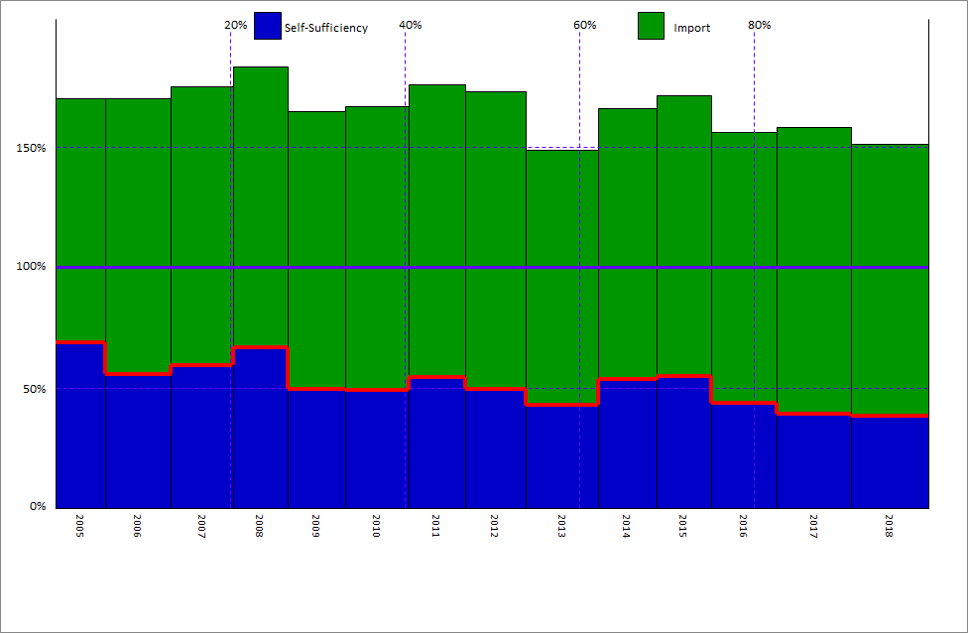
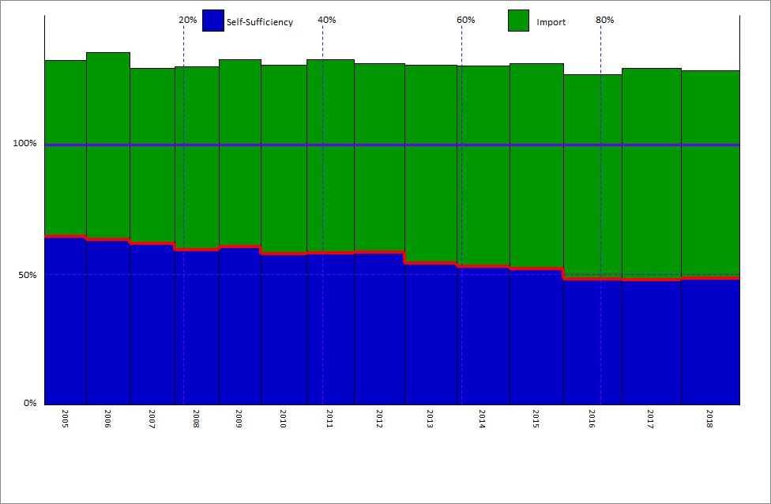
Figure 3.10.Self-sufficiency in selected UK manufacturing industries over time

Panel A – Basic metals |  |  |  |  | Panel B – Electrical equipment
 | B*Yd | B*E | B*M | skyline | B*Yd | B*E | B*M | skyline
2005 | 100.0% | 70.3% | -101.6% | 68.6% | 100.0% | 32.4% | -67.7% | 64.6%
2006 | 100.0% | 70.1% | -114.5% | 55.6% | 100.0% | 35.5% | -72.1% | 63.3%
2007 | 100.0% | 75.0% | -115.6% | 59.4% | 100.0% | 29.5% | -67.6% | 61.9%
2008 | 100.0% | 83.3% | -116.6% | 66.6% | 100.0% | 30.1% | -70.6% | 59.5%
2009 | 100.0% | 64.8% | -115.3% | 49.5% | 100.0% | 32.6% | -72.0% | 60.7%
2010 | 100.0% | 67.0% | -117.9% | 49.1% | 100.0% | 30.5% | -72.7% | 57.9%
2011 | 100.0% | 76.0% | -121.6% | 54.4% | 100.0% | 32.8% | -74.6% | 58.2%
2012 | 100.0% | 73.1% | -123.5% | 49.6% | 100.0% | 31.3% | -72.6% | 58.7%
2013 | 100.0% | 48.6% | -105.7% | 42.9% | 100.0% | 30.6% | -76.4% | 54.2%
2014 | 100.0% | 65.9% | -112.5% | 53.4% | 100.0% | 30.3% | -77.1% | 53.2%
2015 | 100.0% | 71.3% | -116.4% | 54.9% | 100.0% | 31.3% | -79.1% | 52.2%
2016 | 100.0% | 56.0% | -112.4% | 43.6% | 100.0% | 26.8% | -78.6% | 48.2%
2017 | 100.0% | 58.1% | -119.0% | 39.2% | 100.0% | 29.3% | -81.3% | 48.0%
2018 | 100.0% | 51.3% | -113.0% | 38.2% | 100.0% | 28.3% | -79.8% | 48.5%
2019 | 100.0% | 52.1% | -111.2% | 40.9% | 100.0% | 31.0% | -81.4% | 49.6%
2020 | 100.0% | 53.9% | -109.0% | 44.9% | 100.0% | 30.6% | -77.1% | 53.5%

Panel A – Basic metals |  |  |  |  | Panel B – Electrical equipment

3.11
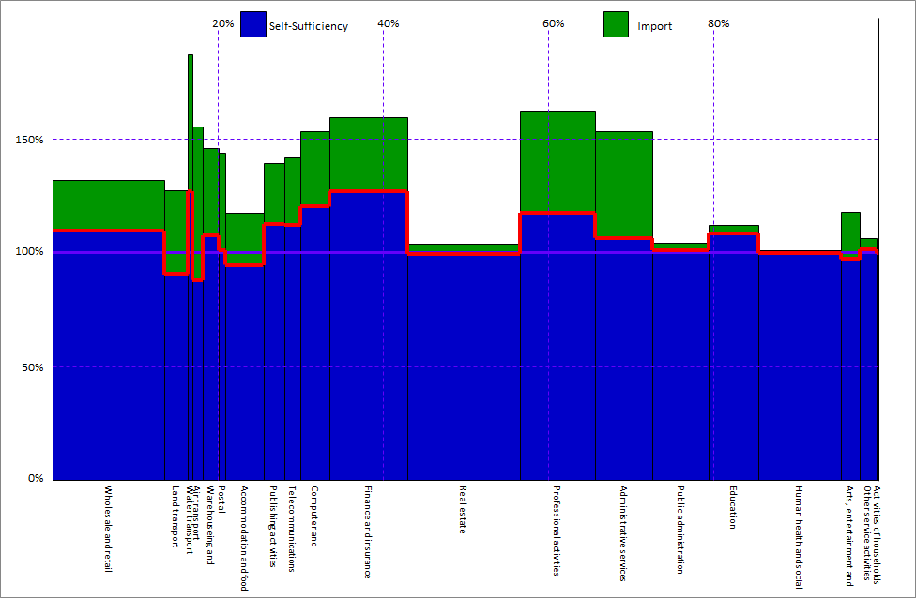
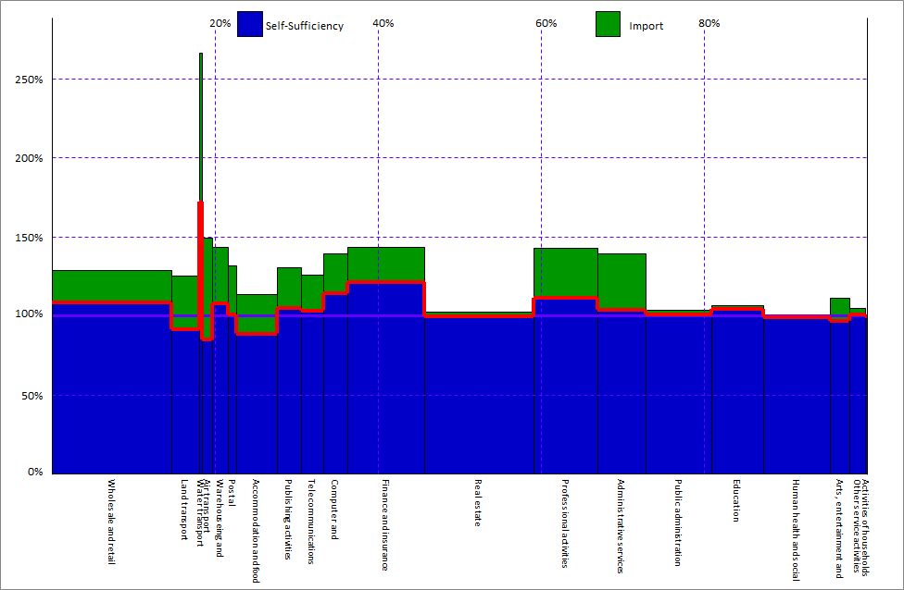
Figure 3.11.Self-sufficiency in UK services industries

Panel A – 2005 |  |  |  |  | Panel B – 2018
 | B*Yd | B*E | B*M | skyline | B*Yd | B*E | B*M | skyline
Wholesale and retail trade | 100.0% | 28.8% | -20.6% | 108.2% | 100.0% | 32.0% | -22.1% | 109.8%
Land transport | 100.0% | 25.5% | -34.2% | 91.3% | 100.0% | 27.1% | -36.6% | 90.5%
Water transport | 100.0% | 166.3% | -94.3% | 172.1% | 100.0% | 86.9% | -60.1% | 126.9%
Air transport | 100.0% | 49.1% | -64.3% | 84.8% | 100.0% | 55.4% | -67.5% | 87.8%
Warehouseing and support | 100.0% | 43.6% | -35.5% | 108.0% | 100.0% | 45.9% | -38.3% | 107.6%
Postal | 100.0% | 32.0% | -31.3% | 100.7% | 100.0% | 43.8% | -43.0% | 100.8%
Accommodation and food services | 100.0% | 13.5% | -24.8% | 88.7% | 100.0% | 17.3% | -22.9% | 94.5%
Publishing activities | 100.0% | 30.6% | -25.9% | 104.7% | 100.0% | 39.1% | -26.5% | 112.6%
Telecommunications | 100.0% | 25.9% | -22.8% | 103.2% | 100.0% | 41.6% | -29.4% | 112.1%
Computer and information services | 100.0% | 39.6% | -25.6% | 114.0% | 100.0% | 53.2% | -32.9% | 120.3%
Finance and insurance | 100.0% | 43.2% | -22.2% | 121.0% | 100.0% | 59.6% | -32.6% | 127.0%
Real estate | 100.0% | 2.5% | -3.2% | 99.4% | 100.0% | 3.8% | -4.4% | 99.5%
Professional activities | 100.0% | 42.8% | -31.6% | 111.1% | 100.0% | 62.3% | -45.0% | 117.3%
Administrative services | 100.0% | 39.5% | -35.9% | 103.7% | 100.0% | 53.3% | -46.9% | 106.4%
Public administration | 100.0% | 3.8% | -2.8% | 101.0% | 100.0% | 4.4% | -3.4% | 101.0%
Education | 100.0% | 6.6% | -2.5% | 104.1% | 100.0% | 12.1% | -3.7% | 108.4%
Human health and social work | 100.0% | 0.6% | -1.4% | 99.2% | 100.0% | 0.9% | -1.2% | 99.7%
Arts, entertainment and recreation | 100.0% | 11.3% | -14.6% | 96.7% | 100.0% | 17.7% | -20.7% | 97.1%
Other service activities | 100.0% | 5.0% | -4.4% | 100.5% | 100.0% | 6.3% | -4.8% | 101.5%

Panel A – 2005 |  |  |  |  | Panel B – 2018

3.12
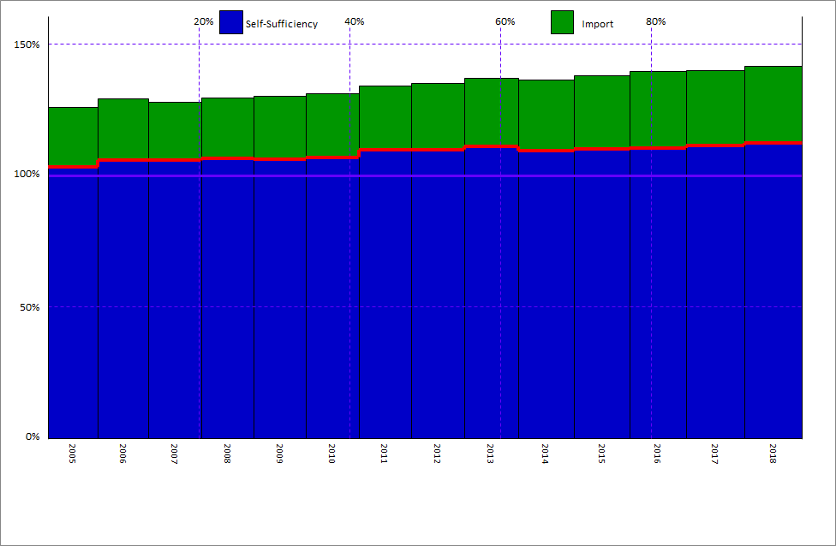
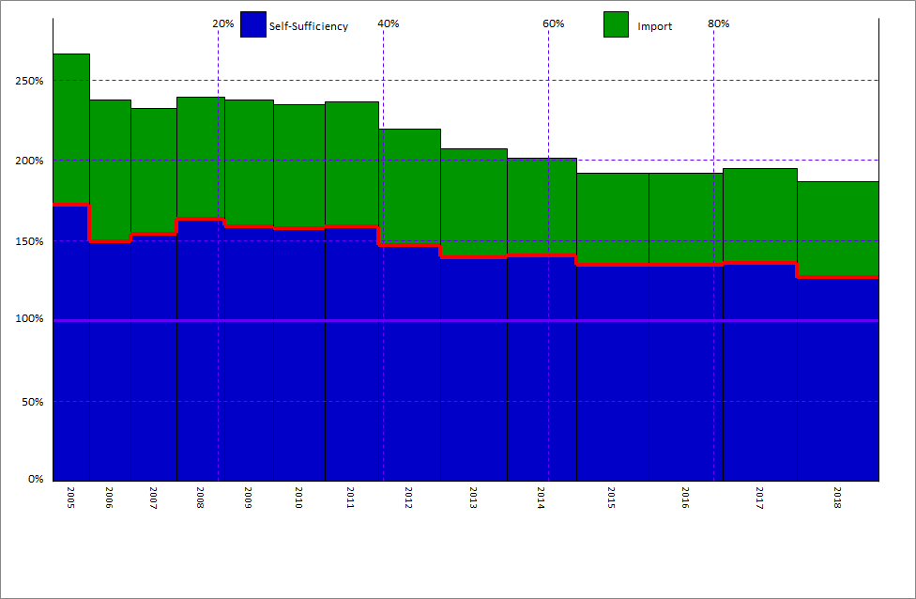
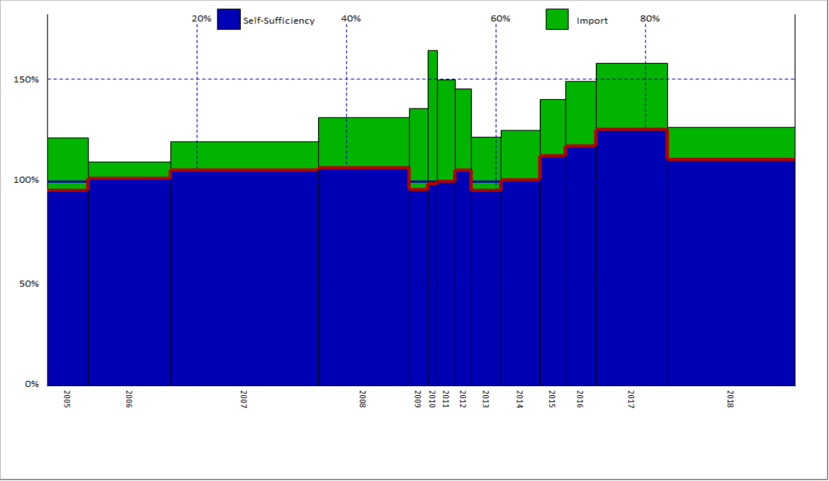
Figure 3.12.Self-sufficiency in selected UK services industries

Panel A – Telecommunications |  |  |  |  | Panel B – Water transport |  |  |  | Panel C – Utility (Electricity + Water supply)
 | B*Yd | B*E | B*M | skyline | B*Yd | B*E | B*M | skyline | B*Yd | B*E | B*M | skyline
2005 | 100.0% | 25.9% | -22.8% | 103.2% | 100.0% | 166.3% | -94.3% | 172.1% | 100.0% | 21.2% | -25.8% | 95.4%
2006 | 100.0% | 29.2% | -23.4% | 105.7% | 100.0% | 137.9% | -88.3% | 149.6% | 100.0% | 9.6% | -8.3% | 101.2%
2007 | 100.0% | 27.9% | -22.2% | 105.6% | 100.0% | 132.4% | -78.2% | 154.2% | 100.0% | 19.4% | -14.0% | 105.4%
2008 | 100.0% | 29.4% | -23.0% | 106.4% | 100.0% | 139.4% | -76.3% | 163.1% | 100.0% | 31.1% | -24.7% | 106.4%
2009 | 100.0% | 30.1% | -23.9% | 106.2% | 100.0% | 138.0% | -79.0% | 159.0% | 100.0% | 35.7% | -40.0% | 95.7%
2010 | 100.0% | 31.1% | -24.3% | 106.8% | 100.0% | 134.7% | -76.9% | 157.8% | 100.0% | 64.2% | -65.5% | 98.7%
2011 | 100.0% | 34.1% | -24.4% | 109.7% | 100.0% | 136.6% | -78.1% | 158.5% | 100.0% | 49.6% | -49.8% | 99.9%
2012 | 100.0% | 35.1% | -25.4% | 109.7% | 100.0% | 119.4% | -72.6% | 146.8% | 100.0% | 45.3% | -39.8% | 105.6%
2013 | 100.0% | 37.0% | -26.1% | 110.9% | 100.0% | 107.6% | -67.9% | 139.6% | 100.0% | 21.5% | -26.0% | 95.5%
2014 | 100.0% | 36.3% | -27.1% | 109.2% | 100.0% | 101.5% | -60.9% | 140.6% | 100.0% | 25.0% | -24.2% | 100.8%
2015 | 100.0% | 37.9% | -28.0% | 109.9% | 100.0% | 92.0% | -57.3% | 134.8% | 100.0% | 40.2% | -27.8% | 112.4%
2016 | 100.0% | 39.6% | -29.3% | 110.3% | 100.0% | 92.2% | -57.5% | 134.6% | 100.0% | 49.0% | -31.7% | 117.3%
2017 | 100.0% | 39.8% | -28.6% | 111.2% | 100.0% | 94.8% | -58.7% | 136.1% | 100.0% | 57.8% | -32.7% | 125.2%
2018 | 100.0% | 41.6% | -29.4% | 112.1% | 100.0% | 86.9% | -60.1% | 126.9% | 100.0% | 26.6% | -15.9% | 110.7%
2019 | 100.0% | 42.3% | -30.0% | 112.3% | 100.0% | 99.0% | -61.6% | 137.4% | 100.0% | 27.3% | -20.6% | 106.6%
2020 | 100.0% | 38.4% | -26.3% | 112.2% | 100.0% | 87.1% | -60.6% | 126.5% | 100.0% | 58.4% | -45.8% | 112.6%

Panel A – Telecommunications |  |  |  |  | Panel B – Water transport |  |  |  | Panel C – Utility (Electricity + Water supply)

3.13
Figure 3.13. Change in the indirect domestic content of exports and import content of exports in the United Kingdom, 2005-2018
2.0% | -2.6%
1.4% | 2.8%
-1.8% | -7.0%
4.5% | 0.4%
0.2% | -5.0%
0.6% | -1.4%
0.0% | -5.4%
2.2% | 1.7%
3.2% | 2.0%
5.1% | 7.6%
-1.4% | -10.1%
2.5% | -0.1%
2.5% | 1.4%
6.3% | 16.4%
1.1% | -3.2%
4.0% | 5.4%
1.4% | 4.6%
-1.2% | -0.5%
0.2% | -2.9%
0.6% | 1.2%
1.1% | -1.8%
name | Change in FVA | Change in IDC
Wholesale trade | 2.0% | -2.6%
Retail trade | 1.4% | 2.8%

Water transport | -1.8% | -7.0%
Air transport | 4.5% | 0.4%

Publishing activities | 0.2% | -5.0%
Motion pictures | 0.6% | -1.4%
Telecommunications | 0.0% | -5.4%
Computer & information | 2.2% | 1.7%
Financial services | 3.2% | 2.0%
Insurance | 5.1% | 7.6%
Auxiliary to finance and insurance | -1.4% | -10.1%

Legal and accounting | 2.5% | -0.1%
Architecture & engineering | 2.5% | 1.4%
R&D | 6.3% | 16.4%

Security and investigation | 1.1% | -3.2%
Human health activities | 4.0% | 5.4%
Residential care and social work | 1.4% | 4.6%
Arts and entertainment | -1.2% | -0.5%

Accommodation and food | 0.2% | -2.9%

Education | 0.6% | 1.2%

All industries | 1.1% | -1.8%

3.14
Figure 3.14. Services embodied in UK manufacturing exports

Panel A – Granular approach, 2005 and 2018 |  |  | Panel B – OECD TiVA, 2005 and 2018
name | 2005 | 2018 | 2005 | 2018
Food | 28% | 30% | 27% | 28%
Other transport equipment | 19% | 25% | 17% | 23%
Basic metals | 21% | 23% | 24% | 26%
Motor vehicles | 25% | 23% | 26% | 23%
Electrical equipment | 23% | 23% | 23% | 24%
Non-metallic minerals | 20% | 23% | 22% | 26%
Textiles | 26% | 22% | 27% | 21%
Paper | 24% | 21% | 24% | 23%
Total manufacturing | 21% | 21% | 22% | 22%
Chemicals | 22% | 21% | 27% | 25%
Basic pharmaceuticals | 20% | 21% | 20% | 22%
Machinery and equipment | 18% | 20% | 18% | 21%
Wood | 19% | 20% | 21% | 21%
Repair and installation of machinery | 21% | 19% | 21% | 19%
Rubber and plastic | 18% | 18% | 23% | 23%
Fabricated metals | 17% | 17% | 20% | 21%
Computers and electronics | 23% | 16% | 22% | 16%
Petroleum | 6% | 5% | 12% | 8%

Panel A – Granular approach, 2005 and 2018 |  |  | Panel B – OECD TiVA, 2005 and 2018

3.15
Figure 3.15. Correlation between changes in wages and changes in foreign value-added

 | Primary and manufacturing industries |  | Services industries
0% | 2% | 2% | 6%
21% | 8% | -8% | 6%
16% | 9% | -1% | 0%
 |  | -2% | 0%
6% | 5% | 6% | 2%
-1% | 7% | 19% | 0%
 |  | -5% | 2%
0% | 1% | 3% | 0%
-4% | 3% | 2% | 2%
29% | 1% | 3% | 1%
-29% | 0% | -4% | 1%
-5% | 1% | 0% | 1%
8% | 3% | -13% | -2%
12% | 4% | 6% | 4%
-9% | 1% | 3% | 0%
-11% | 3% | -15% | 1%
-26% | 0% | 1% | 0%
-16% | -2% | 12% | 0%
-5% | -3% | -4% | 0%
5% | 1% | -2% | 1%
1% | 0% | 3% | 0%
-5% | 3% | -5% | 2%
-11% | 5% | 7% | 3%
-17% | 13% | 2% | 3%
12% | 2% | -9% | 5%
-10% | 1% | -3% | -1%
-29% | 4% | -4% | 0%
2% | 8% | 0% | 0%
-2% | 7% | -1% | 1%
3% | -3% | -8% | 0%
8% | 12% | -1% | 0%
4% | 7% | 1% | 2%
15% | 6% | 2% | 3%
4% | 14% | 5% | 6%
-18% | 2% | 4% | 1%
-3% | 17% | 9% | 3%
29% | 9% | -1% | 1%
0% | 2% | -6% | 1%
-2% | -4% | 5% | 1%
6% | 3% | -14% | -1%
-4% | 4% | 10% | -1%
-30% | 1% | 12% | 0%
-9% | 1% | -15% | 1%
14% | 12% | -6% | 1%
-11% | 2% | -7% | 1%
1% | 3% | -3% | 4%
1% | 3% | 0% | 1%
-22% | -4% | 5% | -1%
-1% | 3% | -11% | -1%
-6% | -1% | -12% | -2%
...
Primary and manufacturing industries |  |  |  |  | Services industries
 | 2005 | 2018 | Difference in wages | Difference in FVA |  | 2005 | 2018 | Difference in wages | Difference in FVA
Goods | 34% | 34% | 0% | 2% | Services | 23% | 25% | 2% | 6%
Goods | 57% | 78% | 21% | 8% | Services | 41% | 32% | -8% | 6%
Goods | 24% | 40% | 16% | 9% | Services | 28% | 26% | -1% | 0%
Goods | 181% | 29% |  |  | Services | 21% | 18% | -2% | 0%
Goods | 8% | 14% | 6% | 5% | Services | 47% | 53% | 6% | 2%
Goods | 48% | 47% | -1% | 7% | Services | 18% | 37% | 19% | 0%
Goods | 47% | 93% |  |  | Services | 46% | 42% | -5% | 2%
Goods | 77% | 77% | 0% | 1% | Services | 69% | 73% | 3% | 0%
Goods | 78% | 74% | -4% | 3% | Services | 64% | 66% | 2% | 2%
Goods | 53% | 81% | 29% | 1% | Services | 57% | 60% | 3% | 1%
Goods | 80% | 50% | -29% | 0% | Services | 77% | 74% | -4% | 1%
Goods | 67% | 63% | -5% | 1% | Services | 70% | 71% | 0% | 1%
Goods | 65% | 74% | 8% | 3% | Services | 61% | 48% | -13% | -2%
Goods | 55% | 67% | 12% | 4% | Services | 47% | 53% | 6% | 4%
Goods | 72% | 63% | -9% | 1% | Services | 73% | 76% | 3% | 0%
Goods | 44% | 32% | -11% | 3% | Services | 86% | 71% | -15% | 1%
Goods | 62% | 36% | -26% | 0% | Services | 55% | 55% | 1% | 0%
Goods | 74% | 59% | -16% | -2% | Services | 60% | 72% | 12% | 0%
Goods | 66% | 61% | -5% | -3% | Services | 59% | 55% | -4% | 0%
Goods | 54% | 58% | 5% | 1% | Services | 45% | 43% | -2% | 1%
Goods | 64% | 65% | 1% | 0% | Services | 49% | 52% | 3% | 0%
Goods | 77% | 72% | -5% | 3% | Services | 80% | 75% | -5% | 2%
Goods | 81% | 70% | -11% | 5% | Services | 51% | 58% | 7% | 3%
Goods | 38% | 21% | -17% | 13% | Services | 54% | 56% | 2% | 3%
Goods | 72% | 84% | 12% | 2% | Services | 29% | 20% | -9% | 5%
Goods | 57% | 47% | -10% | 1% | Services | 75% | 72% | -3% | -1%
Goods | 74% | 44% | -29% | 4% | Services | 71% | 68% | -4% | 0%
Goods | 59% | 61% | 2% | 8% | Services | 0% | 0% | 0% | 0%
Goods | 45% | 44% | -2% | 7% | Services | 18% | 16% | -1% | 1%
Goods | 52% | 55% | 3% | -3% | Services | 51% | 44% | -8% | 0%
Goods | 35% | 43% | 8% | 12% | Services | 63% | 61% | -1% | 0%
Goods | 73% | 77% | 4% | 7% | Services | 78% | 79% | 1% | 2%
Goods | 45% | 60% | 15% | 6% | Services | 80% | 82% | 2% | 3%
Goods | 67% | 70% | 4% | 14% | Services | 49% | 53% | 5% | 6%
Goods | 89% | 70% | -18% | 2% | Services | 44% | 48% | 4% | 1%
Goods | 70% | 67% | -3% | 17% | Services | 65% | 74% | 9% | 3%
Goods | 62% | 91% | 29% | 9% | Services | 69% | 67% | -1% | 1%
Goods | 73% | 72% | 0% | 2% | Services | 53% | 46% | -6% | 1%
Goods | 73% | 71% | -2% | -4% | Services | 72% | 77% | 5% | 1%
Goods | 70% | 76% | 6% | 3% | Services | 68% | 55% | -14% | -1%
Goods | 63% | 60% | -4% | 4% | Services | 45% | 55% | 10% | -1%
Goods | 87% | 57% | -30% | 1% | Services | 48% | 60% | 12% | 0%
Goods | 85% | 76% | -9% | 1% | Services | 74% | 59% | -15% | 1%
Goods | 47% | 61% | 14% | 12% | Services | 72% | 66% | -6% | 1%
Goods | 71% | 60% | -11% | 2% | Services | 83% | 76% | -7% | 1%
Goods | 71% | 72% | 1% | 3% | Services | 74% | 71% | -3% | 4%
Goods | 61% | 62% | 1% | 3% | Services | 83% | 83% | 0% | 1%
Goods | 99% | 77% | -22% | -4% | Services | 36% | 41% | 5% | -1%
Goods | 65% | 64% | -1% | 3% | Services | 84% | 73% | -11% | -1%
Goods | 71% | 65% | -6% | -1% | Services | 43% | 31% | -12% | -2%
 |  |  |  |  | Services | 65% | 68% | 2% | 0%
 |  |  |  |  | Services | 77% | 80% | 3% | 1%
 |  |  |  |  | Services | 61% | 55% | -5% | 0%
 |  |  |  |  | Services | 34% | 31% | -3% | -3%

3.16
Figure 3.16. Share of UK gross exports of goods to EU and Non-EU, 2005-2018

 | 2005 | 2006 | 2007 | 2008 | 2009 | 2010 | 2011 | 2012 | 2013 | 2014 | 2015 | 2016 | 2017 | 2018
Exports to EU Countries | 0.58840806144 | 0.63713724569 | 0.58667923816 | 0.56283977202 | 0.55495443146 | 0.52662163878 | 0.51957352591 | 0.49243062925 | 0.49447441251 | 0.48834902801 | 0.47211981253 | 0.48400407715 | 0.48920245223 | 0.49762433583
Exports to non-EU Countries | 0.41159193856 | 0.36286275431 | 0.41332076184 | 0.43716022798 | 0.44504556854 | 0.47337836122 | 0.48042647409 | 0.50756937075 | 0.50552558749 | 0.51165097199 | 0.52788018747 | 0.51599592285 | 0.51079754777 | 0.50237566417

3.17
Figure 3.17. Domestic and foreign value-added content of UK exports of goods by destination or origin

Panel A – Exports of UK value-added to EU and Non-EU countries |  |  | Panel B – Foreign value-added content of UK goods exports by EU and Non-EU origin
EXGRDVA_PSH | EU Countries | Non-EU Countries | EXGRFVA_PSH | EU Countries | Non-EU Countries
2005 | 0.583 | 0.417 | 2005 | 0.540 | 0.460
2018 | 0.498 | 0.502 | 2018 | 0.525 | 0.475

Panel A – Exports of UK value-added to EU and Non-EU countries |  |  | Panel B – Foreign value-added content of UK goods exports by EU and Non-EU origin

3.18
Figure 3.18. Contributions to the increase in UK value added goods exports to EU and Non-EU from 2005 to 2018

top 5 industries
EU Countries | Crude petroleum and gas | 11% | 11
 | Motor vehicles | 6% | 6
 | Machinery and equipment | 3% | 3
 | Air and spacecraft machinery | 3% | 3
 | Rubbers and plastics | 2% | 2
Non-EU Countries | Motor vehicles | 26% | 26
 | Crude petroleum & gas | 17% | 17
 | Air and spacecraft machinery | 12% | 12
 | Machinery and equipment | 7% | 7
 | Basic pharmaceuticals | 6% | 6

3.19
Figure 3.19.Foreign value-added share of UK exports, granular approach, 2018Q1-2019Q4

 | Manufacturing | Services | All industries
2018Q1 | 0.332 | 0.129 | 0.188
2018Q2 | 0.329 | 0.130 | 0.190
2018Q3 | 0.335 | 0.131 | 0.192
2018Q4 | 0.351 | 0.135 | 0.199
2019Q1 | 0.336 | 0.140 | 0.199
2019Q2 | 0.322 | 0.131 | 0.186
2019Q3 | 0.320 | 0.131 | 0.186
2019Q4 | 0.301 | 0.125 | 0.177

3.20
Figure 3.20. Foreign value-added share of UK exports, consumer approach, 2018 and 2019

name | 2018 | 2019
Agriculture, forestry, fishing | 0.166 | 0.149
Mining and quarrying | 0.121 | 0.233
Manufacturing | 0.466 | 0.457
Electricity and gas | 0.203 | 0.213
Water supply, sewerage, waste management | 0.186 | 0.189
Construction | 0.115 | 0.113
Services | 0.132 | 0.134
All industries | 0.296 | 0.295

3.21
Figure 3.21.Domestic value-added share of UK exports, manufacturing and services, granular approach

 | 2015Q1 | 2018Q1 | 2019Q4
All industries | 0.20569516111 | 0.22736710863 | 0.24660303346
Manufacturing | 0.53294420667 | 0.55451947588 | 0.64972858737
Services | 0.17620168856 | 0.19128129767 | 0.20183819583

3.22
Figure 3.22. Domestic value-added share of UK exports in selected manufacturing and services sectors, granular approach

Panel A – Manufacturing industries |  |  |  | Panel B – Services industries
 | 2019Q4 | 2018Q1 | 2015Q1 |  | 2019Q4 | 2018Q1 | 2015Q1
Motor vehicles | 1.514 | 1.369 | 1.269 | Air transport | 0.926 | 0.814 | 0.800
Machinery and equipment | 1.438 | 0.710 | 0.667 | Water transport | 0.763 | 0.669 | 0.734
Other transport equipment | 1.388 | 1.086 | 1.078 | Finance and insurance | 0.549 | 0.522 | 0.485
Chemicals | 0.843 | 0.753 | 0.830 | Publishing activities | 0.438 | 0.399 | 0.312
Rubber and plastic | 0.566 | 0.607 | 0.544 | Professional activities | 0.404 | 0.387 | 0.319
Basic pharmaceuticals | 0.510 | 0.525 | 0.561 | Computer and information services | 0.320 | 0.305 | 0.259
Textiles | 0.468 | 0.455 | 0.560 | Administrative services | 0.310 | 0.303 | 0.245
Basic metals | 0.401 | 0.331 | 0.413 | All industries | 0.247 | 0.227 | 0.206
Food | 0.399 | 0.408 | 0.380 | Wholesale and retail trade | 0.240 | 0.230 | 0.246
Petroleum | 0.371 | 0.506 | 0.403 | Telecommunications | 0.229 | 0.205 | 0.203
Computers and electronics | 0.364 | 0.377 | 0.414 | Accommodation and food services | 0.218 | 0.190 | 0.197
Repair and installation of machinery | 0.349 | 0.308 | 0.225 | Arts, entertainment and recreation | 0.182 | 0.186 | 0.153
Fabricated metals | 0.341 | 0.263 | 0.250 | Warehouseing and support | 0.149 | 0.137 | 0.118
Electrical equipment | 0.517 | 0.373 | 0.461 | Postal | 0.131 | 0.116 | 0.100
Non-metallic minerals | 0.251 | 0.236 | 0.243 | Education | 0.111 | 0.096 | 0.080
All industries | 0.247 | 0.227 | 0.206 | Land transport | 0.075 | 0.067 | 0.068
Paper | 0.155 | 0.173 | 0.167 | Other service activities | 0.037 | 0.033 | 0.033
Wood | 0.125 | 0.126 | 0.090 | Public administration | 0.025 | 0.021 | 0.022
 |  |  |  | Human health and social work | 0.007 | 0.006 | 0.006
 |  |  |  | Real estate | 0.007 | 0.006 | 0.006
 |  |  |  | Activities of households | 0.005 | 0.004 | 0.004

Panel A – Manufacturing industries |  |  |  | Panel B – Services industries

3.23
Figure 3.23. Domestic and foreign value-added content of manufacturing exports, quarter-on-quarter changes, granular approach

Domestic value-added content of exports |  |  |  |  |  |  |  |  | Foreign value-added content of exports
 | 2018Q1 | 2018Q2 | 2018Q3 | 2018Q4 | 2019Q1 | 2019Q2 | 2019Q3 | 2019Q4 |  | 2018Q1 | 2018Q2 | 2018Q3 | 2018Q4 | 2019Q1 | 2019Q2 | 2019Q3 | 2019Q4
EU Countries | -0.013754241613 | 0.0098698503187 | 0.014441871186 | 0.00085847503589 | 0.0091572314542 | -0.015400733892 | 0.017689286676 | 0.11668132639 | EU Countries | -0.041953027112 | -0.0029968757329 | 0.010736614396 | 0.060356410438 | 0.04400667798 | -0.083048125849 | -0.046201806364 | -0.056002752632
Non-EU Countries | -0.041587189684 | -0.018278106169 | -0.013274389145 | -0.05286682644 | -0.012460620689 | -0.036930375242 | 0.010848450366 | 0.17315778885 | Non-EU Countries | -0.10774674935 | 0.0019542012901 | 0.083515322074 | 0.19561416166 | -0.024100222501 | -0.02799496105 | -0.073683899427 | -0.15766902138
SRV | 0.1077739347 | -0.0039492843228 | 0.0020508652301 | -0.068639887157 | -0.086269116945 | -0.084862200578 | -0.035375185949 | 0.098324481004 | SRV | 0.15695674391 | 0.11343701618 | 0.11151819878 | 0.089892027785 | -0.016738157046 | -0.097196969689 | -0.046866777033 | -0.016527618549

Domestic value-added content of exports |  |  |  |  |  |  |  |  | Foreign value-added content of exports

3.24
Figure 3.24. Nowcasting performance in 2019

 | Output by product | Output by industry | Intermediate demand | Intermediate input | Exports to EU countries | Exports to non-EU countries | Exports of services | Imports from EU countries | Imports from non-EU countries | Imports of services | Taxes less subsidies on products | Margin
Average absolute value of gap | 0.093 | 0.102 | 0.034 | 0.027 | 0.073 | 0.078 | 0.148 | 0.071 | 0.067 | 0.099 | 0.098 | 0.050
Weighted average absolute value of gap | 0.060 | 0.067 | 0.025 | 0.025 | 0.115 | 0.158 | 0.120 | 0.061 | 0.124 | 0.085 | 0.033 | 0.044

