Read
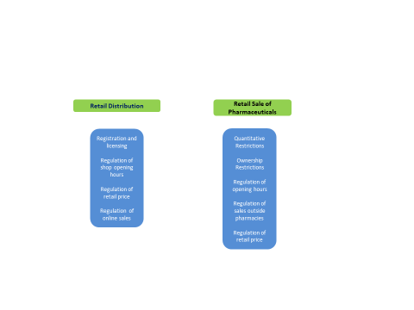
 | Sectoral Product Market Regulation Indicators

This file presents the OECD indicators of regulation in a number of network and service sectors. These indicators measure regulation at the sector level in OECD countries and in a number of non-OECD countries. They cover eight network sectors (electricity, natural gas, rail transport, air transport, water transport, road transport, fixed e-communication and mobile e-communication) and eight service sectors (retail distribution, retail sales of medicines, and six professions: accountants, lawyers, notaries, civil engineers, estate agents and architects).

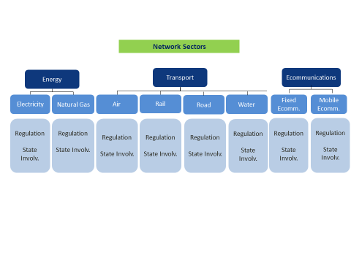

 |  | Energy is the simple average of: Electricity and Natural Gas (weights ½)
 |  | Transport is the simple average of: Air, Rail, Road and Water (weights ¼)
 |  | Ecomm. is the simple average of: Fixed Ecomm and Mobile Ecomm (weights ½)
 |  | Network Sectors is the simple average of: Electricity and Natural Gas, Air, Rail, Road , Water, Fixed Ecomm and Mobile Ecomm (weights 1/8)

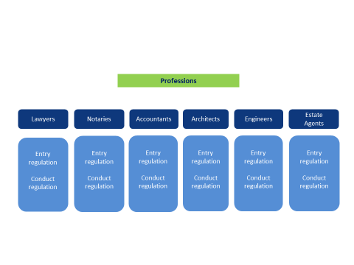

 |  | There are six indicators one for each of the 6 professions covered: accountants, architects, civil engineers, estate agents, lawyers, and notaries. There is no single average inidicator for all professions since some professions do not exist in some of the countries surveyed
 |  | Some care should be taken when comparing the PMR indicators on individual professions across countries, because the activities that a specific profession undertakes may vary between countries. The PMR database provides an indication of the activities performed by each profession in each country.
 |  | On Notaries: In some countries, notaries do not exist as an independent profession. For this reason there are values missing for this profession for some countries. It should be added that in civil law countries, notaries exercise administrative and judicial tasks by virtue of power delegated by the state; hence, they play a special role in the legal services market in the concerned countries and in this aspect they are different from the other professions included in the OECD's PMR indicator.

