Instructions
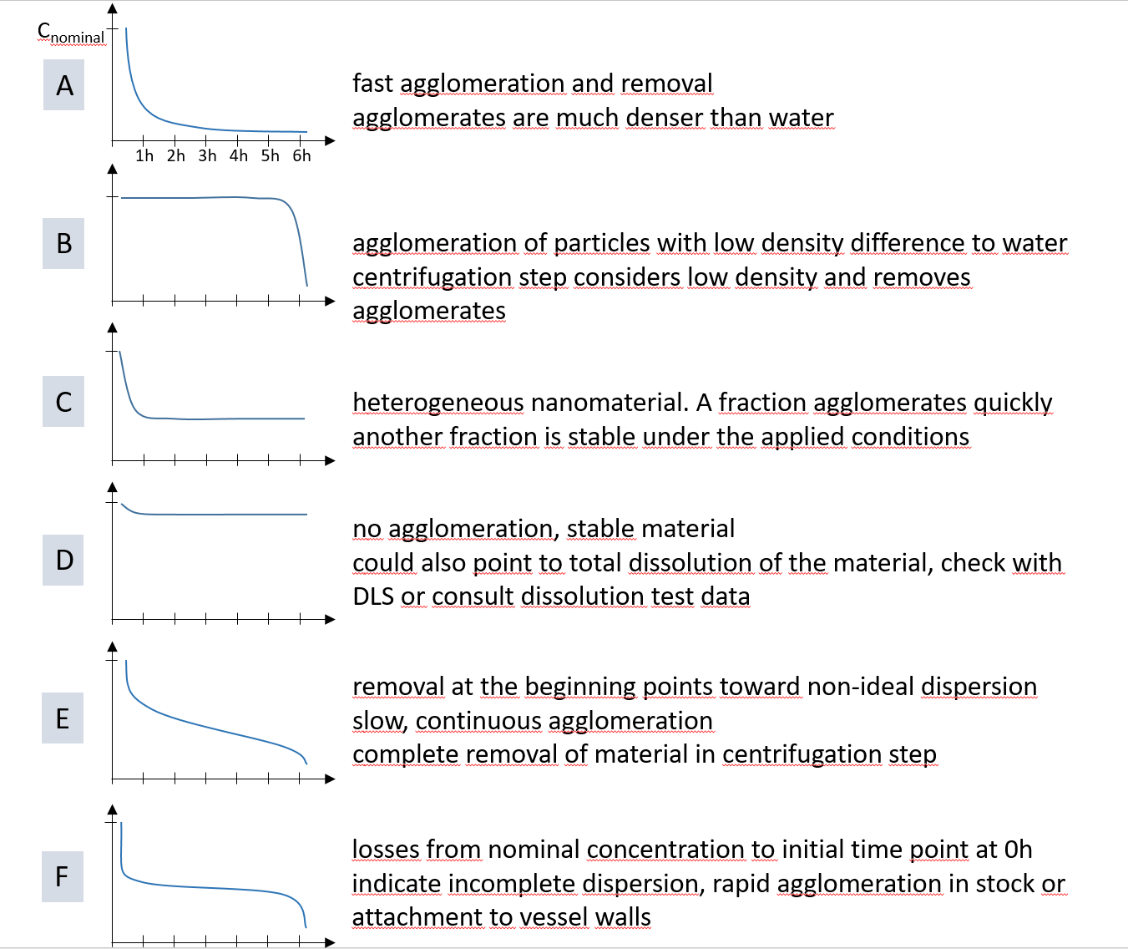
Output summary of data obtained from OECD TG 318
The purpose of this Excel-sheet is to represent the obtained outcome of the TG318 test in a unified graphical form.

Screening test
In the left panel the determined concentrations in the supernatant are filled in the corresponding "INPUT" fields, expressed as % of the nominal concentration. Each input field is determined by the test medium's pH (left to right as indicated on top) and the test medium's applied ionic strength as mM of the calcium nitrate (top to bottom as indicated on the left).
This input is transferred to a concluding output in the "OUTPUT" panel on the right. Symbols indicate 'unstable' (red X), 'intermediate stability' (yellow !) and 'high stability' (green tick mark). From this an overall conclusion is drawn at the bottom: "stable", "unstable" or "further testing". Further testing leads to the next step in the decision tree of OECD TG 318.

7 point test
Fill-in the sample name and the nominal concentration applied in the test
for each condition of pH and calcium concentration a seperate field is used, left the test without NOM on the right the test with NOM
Determined concentrations in the supernatant are filled in the corresponding "INPUT" fields, expressed as mg/L for each of the time points. concentrations after 6 hrs are determined both before and after centrifugation.
In the sample description specific details on pH and ionic strength conditions can be added.
This input is transferred to percentages of the nominal concentration and shown in a graph as the decrease over time.

Stability matrix
The graphical output is generated as a stability matrix, directly from the outcome of the 7 point test results

some possible interpretations of the time-resolved stability plots

7 point test
sample name: |  | EXAMPLE NAME |  |  | nominal concentration: | 50 | mg/L

w/o NOM |  |  |  |  |  |  |  | with NOM

0 | 100%
0 | 80%
1 | 60%
2 | 44%
3 | 40%
4 | 40%
5 | 30%
6 | 10%
6 | 14%
0 | 100%
0 | 80%
1 | 60%
2 | 44%
3 | 40%
4 | 40%
5 | 30%
6 | 10%
6 | 14%
pH 4 - 0 mM |  | C/C0 | INPUT: concentration |  |  |  |  | pH 4 - 0 mM | C/C0 | INPUT: concentration
nominal concentration | 0 | 100% | 50 | mg/L |  |  |  | nominal concentration | 100% | 50 | mg/L
0 hour | 0 | 80% | 40 | mg/L |  |  |  | 0 hour | 80% | 40 | mg/L
1 hour | 1 | 60% | 30 | mg/L |  |  |  | 1 hour | 60% | 30 | mg/L
2 hours | 2 | 44% | 22 | mg/L |  |  |  | 2 hours | 44% | 22 | mg/L
3 hours | 3 | 40% | 20 | mg/L |  |  |  | 3 hours | 40% | 20 | mg/L
4 hours | 4 | 40% | 20 | mg/L |  |  |  | 4 hours | 40% | 20 | mg/L
5 hours | 5 | 30% | 15 | mg/L |  |  |  | 5 hours | 30% | 15 | mg/L
6 hours (centrifuged) | 6 | 10% | 5 | mg/L |  |  |  | 6 hours (centrifuged) | 10% | 5 | mg/L

6 hours (not centrifuged) | 6 | 14% | 7 | mg/L |  |  |  | 6 hours (not centrifuged) | 14% | 7 | mg/L

0 | 100%
0 | 80%
1 | 60%
2 | 44%
3 | 40%
4 | 40%
5 | 30%
6 | 10%
6 | 14%
0 | 100%
0 | 80%
1 | 60%
2 | 44%
3 | 40%
4 | 40%
5 | 30%
6 | 10%
6 | 14%
pH 4 - 1 mM |  | C/C0 | INPUT: concentration |  |  |  |  | pH 4 - 1 mM | C/C0 | INPUT: concentration
nominal concentration | 0 | 100% | 50 | mg/L |  |  |  | nominal concentration | 100% | 50 | mg/L
0 hour | 0 | 80% | 40 | mg/L |  |  |  | 0 hour | 80% | 40 | mg/L
1 hour | 1 | 60% | 30 | mg/L |  |  |  | 1 hour | 60% | 30 | mg/L
2 hours | 2 | 44% | 22 | mg/L |  |  |  | 2 hours | 44% | 22 | mg/L
3 hours | 3 | 40% | 20 | mg/L |  |  |  | 3 hours | 40% | 20 | mg/L
4 hours | 4 | 40% | 20 | mg/L |  |  |  | 4 hours | 40% | 20 | mg/L
5 hours | 5 | 30% | 15 | mg/L |  |  |  | 5 hours | 30% | 15 | mg/L
6 hours (centrifuged) | 6 | 10% | 5 | mg/L |  |  |  | 6 hours (centrifuged) | 10% | 5 | mg/L

6 hours (not centrifuged) | 6 | 14% | 7 | mg/L |  |  |  | 6 hours (not centrifuged) | 14% | 7 | mg/L

0 | 100%
0 | 80%
1 | 60%
2 | 44%
3 | 40%
4 | 40%
5 | 30%
6 | 10%
6 | 14%
0 | 100%
0 | 80%
1 | 60%
2 | 44%
3 | 40%
4 | 40%
5 | 30%
6 | 10%
6 | 14%
pH 4 - 10 mM |  | C/C0 | INPUT: concentration |  |  |  |  | pH 4 - 10 mM | C/C0 | INPUT: concentration
nominal concentration | 0 | 100% | 50 | mg/L |  |  |  | nominal concentration | 100% | 50 | mg/L
0 hour | 0 | 80% | 40 | mg/L |  |  |  | 0 hour | 80% | 40 | mg/L
1 hour | 1 | 60% | 30 | mg/L |  |  |  | 1 hour | 60% | 30 | mg/L
2 hours | 2 | 44% | 22 | mg/L |  |  |  | 2 hours | 44% | 22 | mg/L
3 hours | 3 | 40% | 20 | mg/L |  |  |  | 3 hours | 40% | 20 | mg/L
4 hours | 4 | 40% | 20 | mg/L |  |  |  | 4 hours | 40% | 20 | mg/L
5 hours | 5 | 30% | 15 | mg/L |  |  |  | 5 hours | 30% | 15 | mg/L
6 hours (centrifuged) | 6 | 10% | 5 | mg/L |  |  |  | 6 hours (centrifuged) | 10% | 5 | mg/L

6 hours (not centrifuged) | 6 | 14% | 7 | mg/L |  |  |  | 6 hours (not centrifuged) | 14% | 7 | mg/L

0 | 100%
0 | 80%
1 | 60%
2 | 44%
3 | 40%
4 | 40%
5 | 30%
6 | 10%
6 | 14%
0 | 100%
0 | 80%
1 | 60%
2 | 44%
3 | 40%
4 | 40%
5 | 30%
6 | 10%
6 | 14%
pH 7 - 0 mM |  | C/C0 | INPUT: concentration |  |  |  |  | pH 7 - 0 mM | C/C0 | INPUT: concentration
nominal concentration | 0 | 100% | 50 | mg/L |  |  |  | nominal concentration | 100% | 50 | mg/L
0 hour | 0 | 80% | 40 | mg/L |  |  |  | 0 hour | 80% | 40 | mg/L
1 hour | 1 | 60% | 30 | mg/L |  |  |  | 1 hour | 60% | 30 | mg/L
2 hours | 2 | 44% | 22 | mg/L |  |  |  | 2 hours | 44% | 22 | mg/L
3 hours | 3 | 40% | 20 | mg/L |  |  |  | 3 hours | 40% | 20 | mg/L
4 hours | 4 | 40% | 20 | mg/L |  |  |  | 4 hours | 40% | 20 | mg/L
5 hours | 5 | 30% | 15 | mg/L |  |  |  | 5 hours | 30% | 15 | mg/L
6 hours (centrifuged) | 6 | 10% | 5 | mg/L |  |  |  | 6 hours (centrifuged) | 10% | 5 | mg/L

6 hours (not centrifuged) | 6 | 14% | 7 | mg/L |  |  |  | 6 hours (not centrifuged) | 14% | 7 | mg/L

0 | 100%
0 | 80%
1 | 60%
2 | 44%
3 | 40%
4 | 40%
5 | 30%
6 | 10%
6 | 14%
0 | 100%
0 | 80%
1 | 60%
2 | 44%
3 | 40%
4 | 40%
5 | 30%
6 | 10%
6 | 14%
pH 7 - 1 mM |  | C/C0 | INPUT: concentration |  |  |  |  | pH 7 - 1 mM | C/C0 | INPUT: concentration
nominal concentration | 0 | 100% | 50 | mg/L |  |  |  | nominal concentration | 100% | 50 | mg/L
0 hour | 0 | 80% | 40 | mg/L |  |  |  | 0 hour | 80% | 40 | mg/L
1 hour | 1 | 60% | 30 | mg/L |  |  |  | 1 hour | 60% | 30 | mg/L
2 hours | 2 | 44% | 22 | mg/L |  |  |  | 2 hours | 44% | 22 | mg/L
3 hours | 3 | 40% | 20 | mg/L |  |  |  | 3 hours | 40% | 20 | mg/L
4 hours | 4 | 40% | 20 | mg/L |  |  |  | 4 hours | 40% | 20 | mg/L
5 hours | 5 | 30% | 15 | mg/L |  |  |  | 5 hours | 30% | 15 | mg/L
6 hours (centrifuged) | 6 | 10% | 5 | mg/L |  |  |  | 6 hours (centrifuged) | 10% | 5 | mg/L

6 hours (not centrifuged) | 6 | 14% | 7 | mg/L |  |  |  | 6 hours (not centrifuged) | 14% | 7 | mg/L

0 | 100%
0 | 80%
1 | 60%
2 | 44%
3 | 40%
4 | 40%
5 | 30%
6 | 10%
6 | 14%
0 | 100%
0 | 80%
1 | 60%
2 | 44%
3 | 40%
4 | 40%
5 | 30%
6 | 10%
6 | 14%
pH 7 - 10 mM |  | C/C0 | INPUT: concentration |  |  |  |  | pH 7 - 10 mM | C/C0 | INPUT: concentration
nominal concentration | 0 | 100% | 50 | mg/L |  |  |  | nominal concentration | 100% | 50 | mg/L
0 hour | 0 | 80% | 40 | mg/L |  |  |  | 0 hour | 80% | 40 | mg/L
1 hour | 1 | 60% | 30 | mg/L |  |  |  | 1 hour | 60% | 30 | mg/L
2 hours | 2 | 44% | 22 | mg/L |  |  |  | 2 hours | 44% | 22 | mg/L
3 hours | 3 | 40% | 20 | mg/L |  |  |  | 3 hours | 40% | 20 | mg/L
4 hours | 4 | 40% | 20 | mg/L |  |  |  | 4 hours | 40% | 20 | mg/L
5 hours | 5 | 30% | 15 | mg/L |  |  |  | 5 hours | 30% | 15 | mg/L
6 hours (centrifuged) | 6 | 10% | 5 | mg/L |  |  |  | 6 hours (centrifuged) | 10% | 5 | mg/L

6 hours (not centrifuged) | 6 | 14% | 7 | mg/L |  |  |  | 6 hours (not centrifuged) | 14% | 7 | mg/L

0 | 100%
0 | 80%
1 | 60%
2 | 44%
3 | 40%
4 | 40%
5 | 30%
6 | 10%
6 | 14%
0 | 100%
0 | 80%
1 | 60%
2 | 44%
3 | 40%
4 | 40%
5 | 30%
6 | 10%
6 | 14%
pH 9 - 0 mM |  | C/C0 | INPUT: concentration |  |  |  |  | pH 9 - 0 mM | C/C0 | INPUT: concentration
nominal concentration | 0 | 100% | 50 | mg/L |  |  |  | nominal concentration | 100% | 50 | mg/L
0 hour | 0 | 80% | 40 | mg/L |  |  |  | 0 hour | 80% | 40 | mg/L
1 hour | 1 | 60% | 30 | mg/L |  |  |  | 1 hour | 60% | 30 | mg/L
2 hours | 2 | 44% | 22 | mg/L |  |  |  | 2 hours | 44% | 22 | mg/L
3 hours | 3 | 40% | 20 | mg/L |  |  |  | 3 hours | 40% | 20 | mg/L
4 hours | 4 | 40% | 20 | mg/L |  |  |  | 4 hours | 40% | 20 | mg/L
5 hours | 5 | 30% | 15 | mg/L |  |  |  | 5 hours | 30% | 15 | mg/L
6 hours (centrifuged) | 6 | 10% | 5 | mg/L |  |  |  | 6 hours (centrifuged) | 10% | 5 | mg/L

6 hours (not centrifuged) | 6 | 14% | 7 | mg/L |  |  |  | 6 hours (not centrifuged) | 14% | 7 | mg/L

0 | 100%
0 | 80%
1 | 60%
2 | 44%
3 | 40%
4 | 40%
5 | 30%
6 | 10%
6 | 14%
0 | 100%
0 | 80%
1 | 60%
2 | 44%
3 | 40%
4 | 40%
5 | 30%
6 | 10%
6 | 14%
pH 9 - 1 mM |  | C/C0 | INPUT: concentration |  |  |  |  | pH 9 - 1 mM | C/C0 | INPUT: concentration
nominal concentration | 0 | 100% | 50 | mg/L |  |  |  | nominal concentration | 100% | 50 | mg/L
0 hour | 0 | 80% | 40 | mg/L |  |  |  | 0 hour | 80% | 40 | mg/L
1 hour | 1 | 60% | 30 | mg/L |  |  |  | 1 hour | 60% | 30 | mg/L
2 hours | 2 | 44% | 22 | mg/L |  |  |  | 2 hours | 44% | 22 | mg/L
3 hours | 3 | 40% | 20 | mg/L |  |  |  | 3 hours | 40% | 20 | mg/L
4 hours | 4 | 40% | 20 | mg/L |  |  |  | 4 hours | 40% | 20 | mg/L
5 hours | 5 | 30% | 15 | mg/L |  |  |  | 5 hours | 30% | 15 | mg/L
6 hours (centrifuged) | 6 | 10% | 5 | mg/L |  |  |  | 6 hours (centrifuged) | 10% | 5 | mg/L

6 hours (not centrifuged) | 6 | 14% | 7 | mg/L |  |  |  | 6 hours (not centrifuged) | 14% | 7 | mg/L

0 | 100%
0 | 80%
1 | 60%
2 | 44%
3 | 40%
4 | 40%
5 | 30%
6 | 10%
6 | 14%
0 | 100%
0 | 80%
1 | 60%
2 | 44%
3 | 40%
4 | 40%
5 | 30%
6 | 10%
6 | 14%
pH 9 - 10 mM |  | C/C0 | INPUT: concentration |  |  |  |  | pH 9 - 10 mM | C/C0 | INPUT: concentration
nominal concentration | 0 | 100% | 50 | mg/L |  |  |  | nominal concentration | 100% | 50 | mg/L
0 hour | 0 | 80% | 40 | mg/L |  |  |  | 0 hour | 80% | 40 | mg/L
1 hour | 1 | 60% | 30 | mg/L |  |  |  | 1 hour | 60% | 30 | mg/L
2 hours | 2 | 44% | 22 | mg/L |  |  |  | 2 hours | 44% | 22 | mg/L
3 hours | 3 | 40% | 20 | mg/L |  |  |  | 3 hours | 40% | 20 | mg/L
4 hours | 4 | 40% | 20 | mg/L |  |  |  | 4 hours | 40% | 20 | mg/L
5 hours | 5 | 30% | 15 | mg/L |  |  |  | 5 hours | 30% | 15 | mg/L
6 hours (centrifuged) | 6 | 10% | 5 | mg/L |  |  |  | 6 hours (centrifuged) | 10% | 5 | mg/L

6 hours (not centrifuged) | 6 | 14% | 7 | mg/L |  |  |  | 6 hours (not centrifuged) | 14% | 7 | mg/L

stability matrix
EXAMPLE NAME w/o NOM
OUTPUT | 4 | 7 | 9 | pH
10 | 10 | 10 | 10
1 | 10 | 10 | 10
0 | 10 | 10 | 10
mM Ca2+ |  |  |  | OUTPUT

high stability low stability

EXAMPLE NAME with NOM
OUTPUT | 4 | 7 | 9 | pH
10 | 10 | 10 | 10
1 | 10 | 10 | 10
0 | 10 | 10 | 10
mM Ca2+ |  |  |  | OUTPUT

the pH and Ca2+ concentrations are the conditions in the test medium

